Scenario DIagram-AMS
5 Diagrams on this Sheet

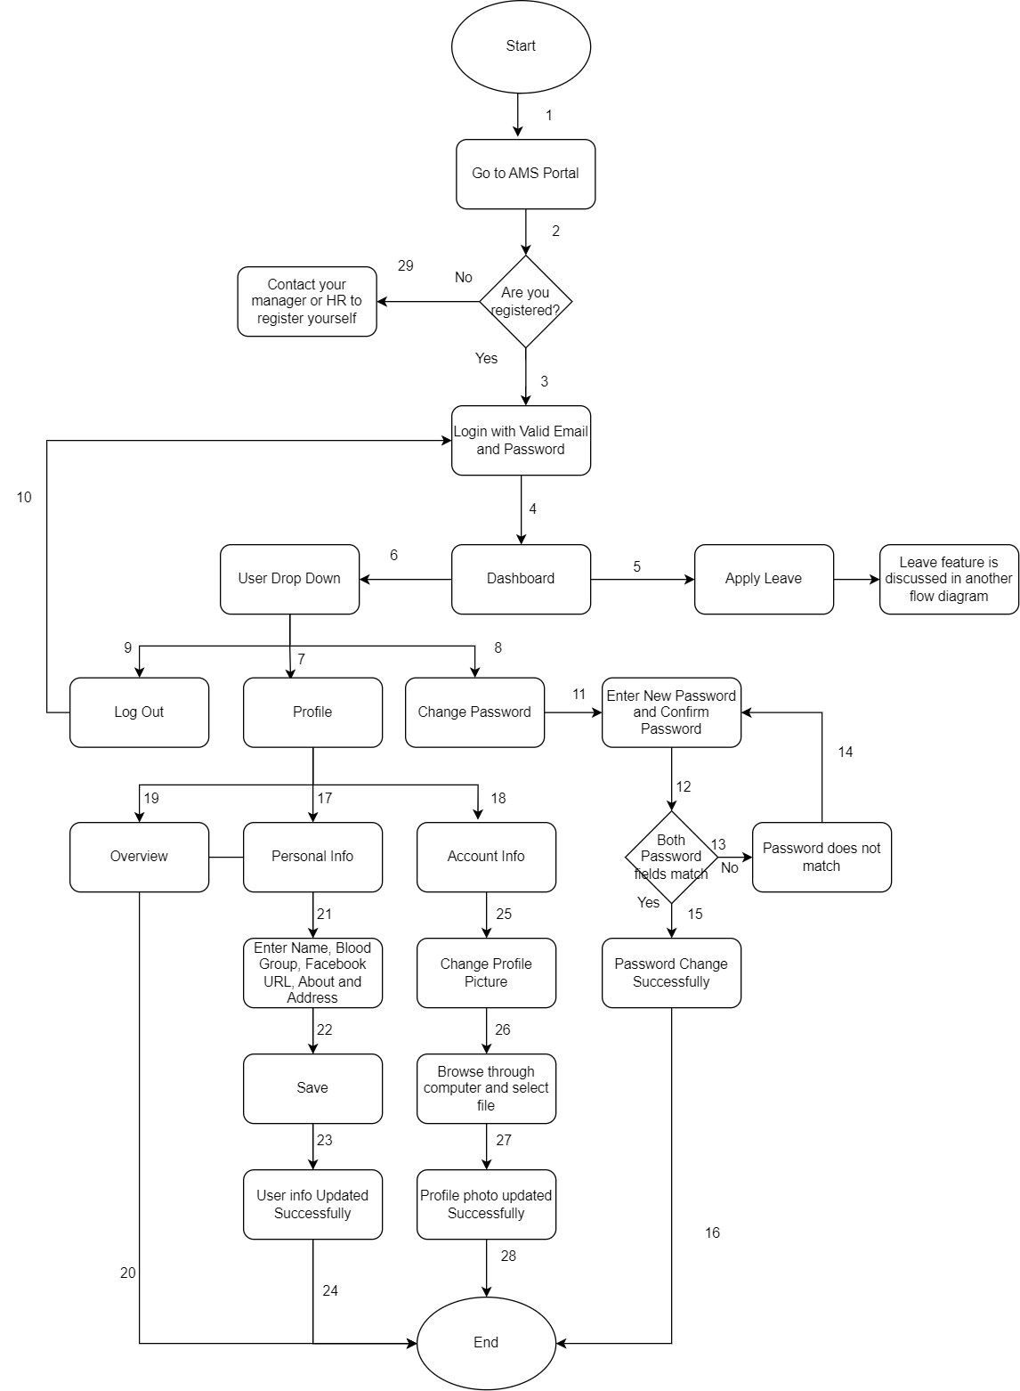

 |  |  |  |  | Diagram-1

 |  |  |  | Scenario Diagram of AMS-Dashboard-User Drop Down

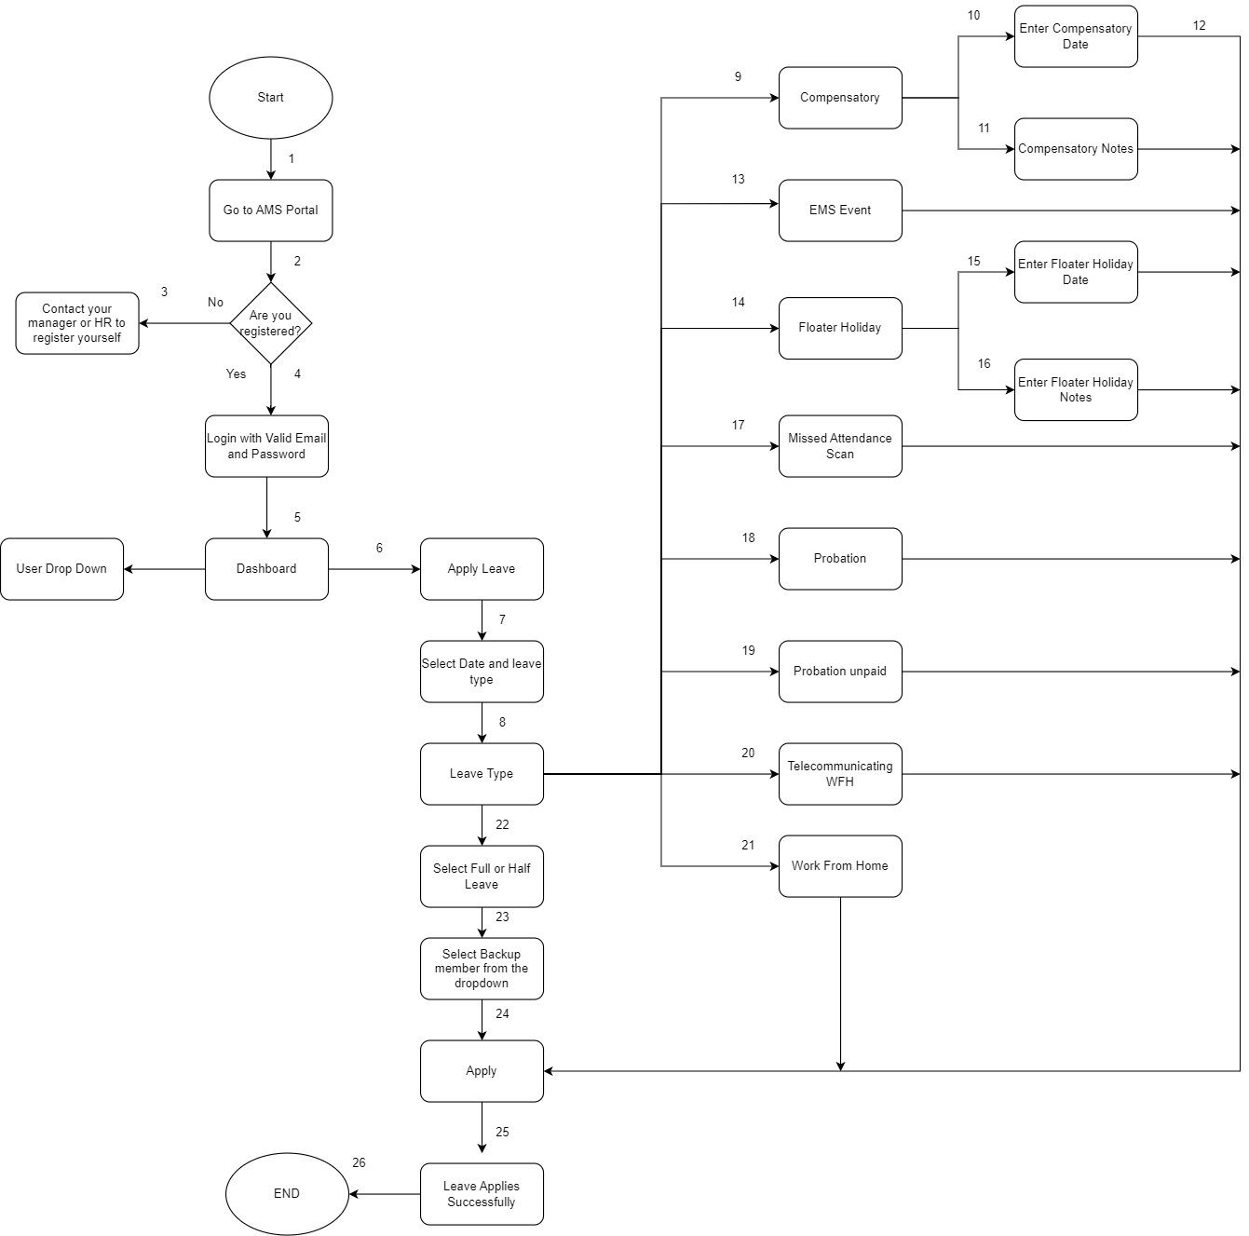

 |  |  |  |  |  | Diagram-2

 |  |  |  |  | Scenario Diagram of AMS-Dashboard-Apply Leave Feature

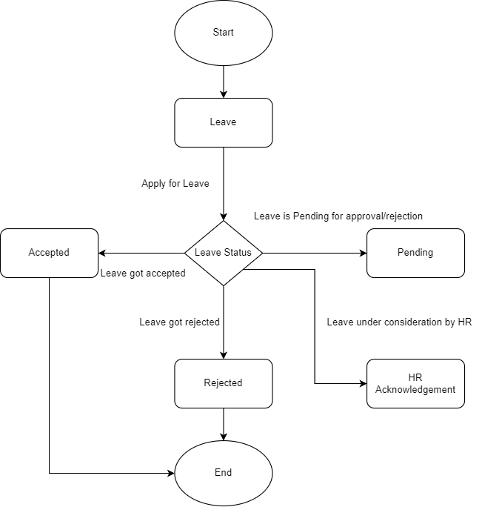

 |  |  |  | Diagram-3

 |  |  | State Transition Diagram of LEAVE feature when applied in the MY LEAVES TAB

 |  |  | Object | Action | State
 |  |  | Leave | Leave got accepted | Accepted
 |  |  | Leave | Leave is pending for approval/rejection | Pending
 |  |  | Leave | leave got rejected | Rejcted
 |  |  | Leave | leave under consideration by HR | HR Acknowledgement

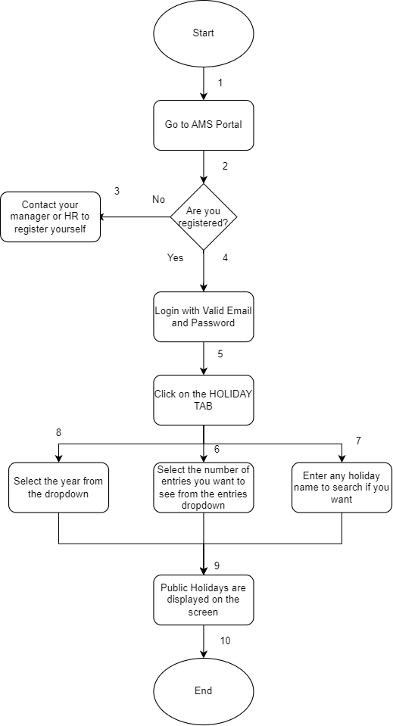

 |  | Diagram-4

 | Scenario Diagram of AMS-Holiday Tab

 |  |  |  | Diagram-5

 |  |  | Scenario Diagram of AMS-My Attendance TAB

